IST-FINAL-Table 2.7.1.1
 |  |  |  | Modeling | Simulation | Data Integration | Real-Time Monitoring | Predictive Analytics | Optimization | Interoperability | Scalability | Security and Privacy | Lifecycle Management | User Interaction | Federation | Traceability
 |  | Engineering Aspects
 |  | ID/DEF ID | Type | A | B | C | D | E | F | G | H | I | L | M | Fed. | Trace. | Total
 |  | S01/L14 | J | 1 | 1 | 1 | 1 | 1 | 1 | 1 | 1 | 1 | 1 | 0 | 0 | 0 | 10
 |  | S02/L18 | J | 1 | 1 | 1 | 1 | 1 | 1 | 0 | 0 | 0 | 0 | 1 | 0 | 0 | 7
 |  | S03/L15 | J | 1 | 1 | 1 | 1 | 1 | 1 | 1 | 1 | 1 | 1 | 1 | 0 | 0 | 11
 |  | S04/L13 | J | 1 | 1 | 1 | 1 | 1 | 1 | 0 | 0 | 1 | 1 | 0 | 0 | 0 | 8
 |  | S06/L19 | J | 1 | 1 | 1 | 1 | 1 | 1 | 0 | 0 | 1 | 0 | 0 | 0 | 0 | 7
 |  | S07/L17 | J | 1 | 1 | 0 | 0 | 0 | 0 | 0 | 0 | 0 | 1 | 0 | 0 | 0 | 3
 |  | S08/L06 | J | 1 | 1 | 1 | 1 | 1 | 1 | 0 | 0 | 1 | 1 | 1 | 0 | 0 | 9
 |  | S09/L08 | J | 1 | 0 | 1 | 0 | 1 | 0 | 1 | 1 | 0 | 0 | 0 | 0 | 0 | 5
 |  | S10/L04 | J | 1 | 1 | 1 | 1 | 0 | 0 | 0 | 0 | 0 | 0 | 0 | 0 | 0 | 4
 |  | S12/L24 | C | 1 | 1 | 1 | 1 | 1 | 0 | 0 | 0 | 1 | 0 | 1 | 0 | 0 | 7
 |  | S13/L09 | S | 1 | 1 | 1 | 0 | 0 | 0 | 1 | 1 | 1 | 0 | 1 | 0 | 0 | 7
 |  | S14/L12 | S | 1 | 1 | 1 | 1 | 0 | 0 | 1 | 1 | 1 | 1 | 0 | 0 | 0 | 8
 |  | S15/L10 | J | 1 | 1 | 0 | 0 | 0 | 0 | 0 | 0 | 0 | 0 | 0 | 0 | 0 | 2
 |  | S16/L22 | C | 1 | 1 | 1 | 1 | 1 | 1 | 1 | 1 | 1 | 1 | 0 | 2 | 0 | 12
 |  | S17/L20 | C | 1 | 1 | 1 | 0 | 1 | 1 | 1 | 1 | 1 | 1 | 0 | 0 | 0 | 9
 |  | S18/L05 | J | 1 | 1 | 0 | 1 | 1 | 1 | 0 | 0 | 0 | 1 | 1 | 0 | 2 | 9
 |  | S19/L01 | S | 1 | 1 | 1 | 1 | 0 | 0 | 0 | 0 | 0 | 1 | 0 | 0 | 0 | 5
 |  | S20/L03 | J | 1 | 1 | 1 | 0 | 0 | 0 | 0 | 0 | 1 | 0 | 0 | 0 | 0 | 4
 |  | S21/L02 | J | 1 | 1 | 0 | 0 | 1 | 0 | 0 | 0 | 1 | 0 | 0 | 0 | 0 | 4
 |  | S22/L21 | J | 1 | 1 | 1 | 1 | 1 | 1 | 0 | 0 | 1 | 0 | 1 | 0 | 0 | 8
 |  |  | Total | 20 | 19 | 16 | 13 | 13 | 10 | 7 | 7 | 13 | 10 | 7 | 2 | 2
 |  |  |  | 100% | 95% | 80% | 65% | 65% | 50% | 35% | 35% | 65% | 50% | 35% | 10% | 10%
Modeling | 100%
Simulation | 95%
Data Integration | 80%
Real-Time Monitoring | 65%
Predictive Analytics | 65%
Optimization | 50%
Interoperability | 35%
Scalability | 35%
Security and Privacy | 65%
Lifecycle Management | 50%
User Interaction | 35%
Federation | 10%
Traceability | 10%

IST-FINAL-DTE-MBE-PR
 |  |  |  |  |  |  |  |  |  |  |  |  | DTE |  |  |  |  |  |  |  |  |  |  | Traceability and Federation |  |  |  |  |  |  |  |  |  | Model Foundations |  |  |  |  |  |  |  |  | Model Quality |  |  |  | Analysis | Modeling Languages |  |  |  |  |  | Model Representation | Model Transformations |  |  |  | Best Practices | MBE Total | Interoperability Levels |  |  |  |  |  |  |  |  |  | Use Cases
 |  |  |  |  |  |  |  |  |  | Included? | ID | SP | Modeling | Simulation | Data Integration | Real-Time Monitoring | Predictive Analytics | Optimization | Scalability | Security and Privacy | Lifecycle Management | User Interaction | Total | Federation | Traceability | Total Federation | Total Traceability | Total | Modeling and Federation | Modeling and Traceability | Federation and Traceability | Modeling, Federation and Traceability | Total DTE + Interoperability + Federation or Traceability | Syntax | Abstract syntax | Concrete syntax | Semantics | Structural | Behavioral | Purpose/Intent | Modeling principles | Total | Consistency | Correctness | Comprehensibility | Confinement | Structural Model Analysis | Language Definition | Metamodels | Grammars | Types of Modeling Languages | General purpose (GPL) | Domain-specific (DSL) | Concrete Syntax | Model Transformation Languages | Text2Model, Model2Model, Model2Text | Model Transformation Applications | Model translation | Best Practices | Total (MBE) | Interoperability | Levels | 0,Stand-alone Systems | 1,Technical Interoperability | 2,Syntactic Interoperability (related to Modeling) | 3,Semantic Interoperability (related to Modeling) | 4,Pragmatic Interoperability (related to Simulation) | 5,Dynamic Interoperability (related to Modeling/Simulation) | 6,Conceptual Interoperability (related to Modeling/Simulation) | Total | Railway (ALSTOM) | Energy Microgrid (Siemens) | Renewable Energy (CleanWatts) | Manufacturing (Thinglink) | Automotive - Buses (OTOKAR) | Aerospace Robotics (Leonardo) | Internet Of Things - Bridge Building - Railway (CNET) | Total
R1 | R2 | R3 | ID | Name | Year | Title | Type | Scopus | Length | 20 |  |  | 2.00 | 1.90 | 1.60 | 1.30 | 1.30 | 1.00 | 0.70 | 1.30 | 1.00 | 0.70 | 12.80 | 0.10 | 0.10 | 1.80 | 1.40 | 3.20 | 0.10 | 0.00 | 0.00 | 0.00 |  | 0.70 | 0.40 | 0.40 | 0.60 | 0.50 | 0.30 | 0.40 | 0.20 | 3.50 | 0.10 | 0.20 | 0.00 | 0.20 | 0.00 | 0.10 | 0.30 | 0.00 | 0.50 | 0.30 | 0.40 | 0.30 | 0.00 | 0.10 | 0.20 | 0.00 | 0.40 | 6.60 | 1.00 | 0.00 | 0.00 | 0.20 | 0.30 | 0.30 | 0.20 | 0.00 | 0.00 | 2.00 | 0.20 | 0.40 | 0.40 | 0.60 | 0.30 | 0.20 | 0.30 | 2.40

Hermawan | Gritsch |  | S01 | L14 | 2020 | Characterising the Digital Twin: A systematic literature review | J | 912 | 17 | 1 | S01 | L14 | 2 | 2 | 2 | 2 | 2 | 2 | 2 | 2 | 2 | 0 | 18 | 0 | 0 | 0 | 0 | 0 | 0 | 0 | 0 | 0 | 18 | 2 | 0 | 2 | 2 | 2 | 2 | 2 | 0 | 12 | 0 | 0 | 0 | 2 | 0 | 0 | 0 | 0 | 2 | 0 | 0 | 0 | 0 | 0 | 0 | 0 | 0 | 16 | 2 | 0 | 0 | 0 | 0 | 2 | 2 | 0 | 0 | 6 | 0 | 0 | 0 | 0 | 0 | 0 | 0 | 0
Berardinelli | Hermawan |  | S02 | L18 | 2019 | A survey on digital twin: Definitions, characteristics, applications, and design implications | J | 841 | 19 | 1 | S02 | L18 | 2 | 2 | 2 | 2 | 2 | 2 | 0 | 0 | 0 | 2 | 14 | 0 | 0 | 0 | 0 | 0 | 0 | 0 | 0 | 0 | 14 | 0 | 0 | 0 | 0 | 0 | 0 | 0 | 0 | 0 | 0 | 0 | 0 | 0 | 0 | 0 | 0 | 0 | 0 | 0 | 0 | 0 | 0 | 0 | 0 | 0 | 2 | 2 | 0 | 0 | 0 | 0 | 0 | 0 | 0 | 0 | 0 | 0 | 0 | 0 | 0 | 2 | 0 | 0 | 0 | 2
Bruneliere | Carvalho |  | S03 | L15 | 2020 | Digital Twin in the IoT Context: A Survey on Technical Features, Scenarios, and Architectural Models | J | 434 | 40 | 1 | S03 | L15 | 2 | 2 | 2 | 2 | 2 | 2 | 2 | 2 | 2 | 2 | 20 | 0 | 0 | 0 | 0 | 0 | 2 | 0 | 0 | 0 | 20 | 0 | 0 | 0 | 2 | 2 | 2 | 0 | 0 | 6 | 0 | 0 | 0 | 0 | 0 | 0 | 0 | 0 | 0 | 0 | 0 | 0 | 0 | 0 | 0 | 0 | 0 | 6 | 2 | 0 | 0 | 2 | 0 | 0 | 0 | 0 | 0 | 4 | 0 | 2 | 2 | 2 | 0 | 0 | 0 | 6
Eramo | Bruneliere |  | S04 | L13 | 2020 | A state-of-the-art survey of Digital Twin: techniques, engineering product lifecycle management and business innovation perspectives | J | 432 | 25 | 1 | S04 | L13 | 2 | 2 | 2 | 2 | 2 | 2 | 0 | 2 | 2 | 0 | 16 | 0 | 0 | 0 | 0 | 0 | 0 | 0 | 0 | 0 | 16 | 0 | 0 | 0 | 0 | 0 | 0 | 0 | 0 | 0 | 2 | 0 | 0 | 0 | 0 | 0 | 0 | 0 | 0 | 0 | 0 | 0 | 0 | 0 | 0 | 0 | 0 | 2 | 0 | 0 | 0 | 0 | 0 | 0 | 0 | 0 | 0 | 0 | 0 | 0 | 0 | 0 | 0 | 0 | 0 | 0
Abbas | Ristov |  | S06 | L19 | 2021 | The Role of AI, Machine Learning, and Big Data in Digital Twinning: A Systematic Literature Review, Challenges, and Opportunities | J | 267 | 23 | 1 | S06 | L19 | 2 | 2 | 2 | 2 | 2 | 2 | 0 | 2 | 0 | 0 | 14 | 0 | 0 | 0 | 0 | 0 | 0 | 0 | 0 | 0 | 14 | 0 | 0 | 0 | 0 | 0 | 0 | 0 | 0 | 0 | 0 | 0 | 0 | 0 | 0 | 0 | 0 | 0 | 0 | 0 | 0 | 0 | 0 | 0 | 0 | 0 | 0 | 0 | 2 | 0 | 0 | 0 | 0 | 0 | 0 | 0 | 0 | 2 | 0 | 0 | 2 | 2 | 2 | 0 | 2 | 8
UGUR YAYAN | Muttillo |  | S07 | L17 | 2020 | Modeling languages in Industry 4.0: an extended systematic mapping study | J | 92 | 28 | 1 | S07 | L17 | 2 | 2 | 0 | 0 | 0 | 0 | 0 | 0 | 2 | 0 | 6 | 0 | 0 | 0 | 0 | 0 | 0 | 0 | 0 | 0 | 6 | 2 | 0 | 0 | 0 | 0 | 0 | 0 | 0 | 2 | 0 | 0 | 0 | 0 | 0 | 0 | 0 | 0 | 2 | 0 | 0 | 0 | 0 | 0 | 0 | 0 | 0 | 4 | 0 | 0 | 0 | 0 | 0 | 0 | 0 | 0 | 0 | 0 | 0 | 0 | 0 | 2 | 0 | 0 | 0 | 2
...
 |  |  |  |  |  |  | C | 3 | 10 | 1 | S17 | L20 | 2 | 2 | 2 | 0 | 2 | 2 | 2 | 2 | 2 | 0 | 16 | 0 | 0 | 0 | 0 | 0 | 0 | 0
 |  |  |  |  |  |  | C | 2 | 18 | 1 | S18 | L05 | 2 | 2 | 0 | 2 | 2 | 2 | 0 | 0 | 2 | 2 | 14 | 0 | 2 | 0 | 28 | 28 | 0 | 0
 |  |  |  |  |  |  | J | 1 | 16 | 1 | S19 | L01 | 2 | 2 | 2 | 2 | 0 | 0 | 0 | 0 | 2 | 0 | 10 | 0 | 0 | 0 | 0 | 0 | 0 | 0
 |  |  |  |  |  |  | S | 1 | 8 | 1 | S20 | L03 | 2 | 2 | 2 | 0 | 0 | 0 | 0 | 2 | 0 | 0 | 8 | 0 | 0 | 0 | 0 | 0 | 0 | 0
 |  |  |  |  |  |  | J | 0 | 28 | 1 | S21 | L02 | 2 | 2 | 0 | 0 | 2 | 0 | 0 | 2 | 0 | 0 | 8 | 0 | 0 | 0 | 0 | 0 | 0 | 0
 |  |  |  |  |  |  | J | 0 | 62 | 1 | S22 | L21 | 2 | 2 | 2 | 2 | 2 | 2 | 0 | 2 | 0 | 2 | 16 | 0 | 0 | 0 | 0 | 0 | 0 | 0
 |  |  |  |  |  |  |  |  |  |  |  |  | 20 | 19 | 16 | 13 | 13 | 10 | 7 | 13 | 10 | 7 |  | 1 | 1 |  |  |  | 1 | 0
 |  |  |  |  |  |  |  |  |  |  |  |  | 100% | 95% | 80% | 65% | 65% | 50% | 35% | 65% | 50% | 35% |  | 5% | 5% |  |  |  | 5% | 0%

Modeling | 100%
Simulation | 95%
Data Integration | 80%
Real-Time Monitoring | 65%
Predictive Analytics | 65%
Optimization | 50%
Interoperability | 50%
Scalability | 35%
Security and Privacy | 65%
Lifecycle Management | 50%
User Interaction | 35%
Federation | 5%
Traceability | 5%
...

Table 1
...
 |  |  |  | Modeling | Simulation | Data Integration | Real-Time Monitoring | Predictive Analytics | Optimization | Interoperability | Scalability | Security and Privacy | Lifecycle Management | User Interaction | Federation | Traceability
 | L22 | S16/L22 | C | 1 | 1 | 1 | 1 | 1 | 1 | 1 | 1 | 1 | 1 | 0 | 1 | 0 | 11
 | L20 | S17/L20 | C | 1 | 1 | 0 | 1 | 1 | 1 | 0 | 0 | 0 | 1 | 1 | 0 | 1 | 8
 | L05 | S18/L05 | J | 1 | 1 | 1 | 1 | 0 | 0 | 1 | 1 | 0 | 1 | 0 | 1 | 0 | 8
 | L01 | S19/L01 | S | 1 | 1 | 1 | 0 | 1 | 0 | 0 | 0 | 1 | 0 | 0 | 0 | 0 | 5
 | L03 | S20/L03 | J | 1 | 1 | 0 | 0 | 1 | 0 | 0 | 0 | 1 | 0 | 0 | 0 | 0 | 4
 | L02 | S21/L02 | J | 1 | 1 | 1 | 1 | 1 | 1 | 0 | 0 | 1 | 0 | 1 | 0 | 0 | 8
 |  | S22/L21 | J | 1 | 1 | 1 | 1 | 1 | 1 | 0 | 0 | 1 | 0 | 1 | 0 | 0 | 8
 |  |  | Total | 22 | 21 | 19 | 16 | 16 | 15 | 14 | 11 | 16 | 11 | 13 | 5 | 4
 |  |  |  | 100% | 95% | 86% | 73% | 73% | 68% | 64% | 50% | 73% | 50% | 59% | 23% | 18%
Modeling | 100%
Simulation | 95%
Data Integration | 86%
Real-Time Monitoring | 73%
Predictive Analytics | 73%
Optimization | 68%
Interoperability | 64%
Scalability | 50%
Security and Privacy | 73%
Lifecycle Management | 50%
User Interaction | 59%
Federation | 23%
Traceability | 18%

Tasks
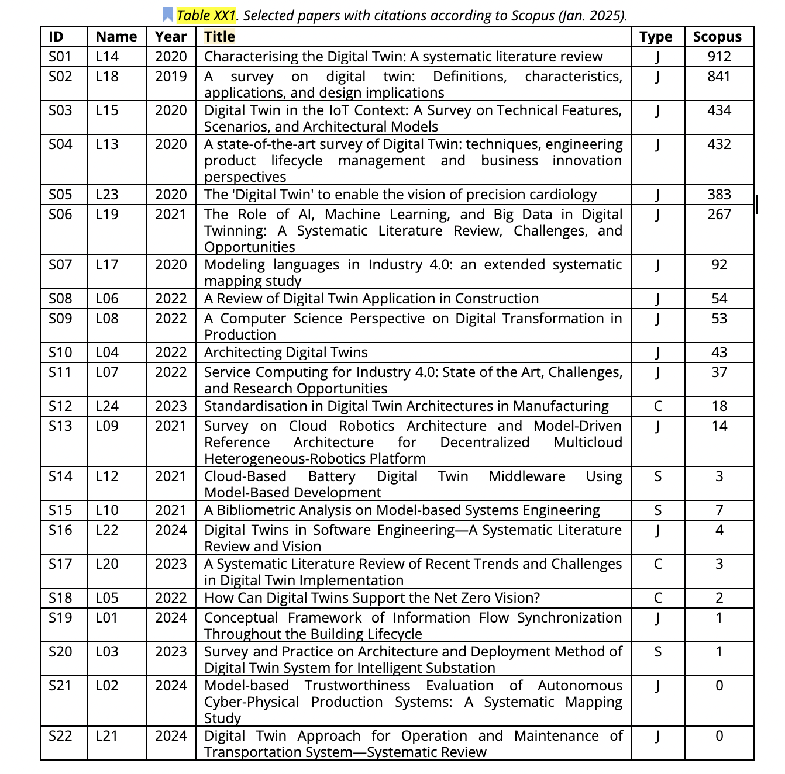
...
S01 | L14 | Hermawan | Gritsch |  | FALSE | TRUE | TRUE | FALSE | TRUE | FALSE
S14 | L12 | Berardinelli | Hermawan | Duy | FALSE | FALSE | TRUE | FALSE | TRUE | FALSE
S15 | L10 | Hermawan | Berardinelli |  | TRUE | FALSE | FALSE | FALSE | FALSE | FALSE
S16 | L22 | UGUR YAYAN | Hermawan |  | TRUE | FALSE | FALSE | FALSE | TRUE | FALSE
S17 | L20 | Muttillo | Berardinelli |  | FALSE | FALSE | FALSE | TRUE | FALSE | FALSE
S18 | L05 | Bruneliere | Muttillo |  | TRUE | FALSE | FALSE | TRUE | TRUE | FALSE
S19 | L01 | Duy | Sarmad |  | FALSE | FALSE | TRUE | TRUE | FALSE | FALSE
S20 | L03 | Eramo | Carvalho |  | FALSE | FALSE | FALSE | FALSE | FALSE | TRUE
S21 | L02 | Berardinelli | Duy |  | FALSE | FALSE | FALSE | FALSE | FALSE | TRUE
S22 | L21 | Bucaioni | Ugur |  | FALSE | FALSE | FALSE | FALSE | FALSE | TRUE

UC - Application-Domain
...
Internet Of Things - Bridge Building - Railway (CNET) | Total |  | Value>0
1 | 6 | Railway (ALSTOM) | 5
0 | 0 | Renewable Energy (CleanWatts) | 5
0 | 4 | Internet Of Things - Bridge Building - Railway (CNET) | 5
0 | 4 | Energy Microgrid (Siemens) | 6
2 | 8 | Automotive - Buses (OTOKAR) | 6
2 | 9 | Aerospace Robotics (Leonardo) | 6
0 | 0 | Manufacturing (Thinglink) | 12
0 | 2
0 | 2
0 | 0
0 | 2
0 | 1
0 | 0
1 | 7
0 | 2
0 | 1
2 | 10
0 | 2
0 | 4
0 | 1
0 | 0
0 | 0
3
5

App Domain (Stat)
Not Available | 133
Other | 12
Telecommunications | 1
Robotics | 3
Logistics | 3
Education | 3
Energy | 4
Construction | 7
Smart Cities | 7
Aerospace | 7
Automotive | 9
Healthcare | 11
Manufacturing | 20
...
Others:
Virtual Sensors
Medical
Production
Infrastructure and Buildings
Plant Management
Electronics
Industrial
Cultural Heritage
Digital Cities
Supply chain
Water and intermodal transportation
Digital Patient
...

